Sheet1
Item # | *Designator | *Qty | Manufacturer | *Mfg Part # | Description / Value | *Package/Footprint | Mounting Type | Ruff Price | Order Qty | URL
1 | 10K RX,10K C2,10K C3 | 3 | YAGEO | CFR-25JB-52-10K | RES 10K OHM 5% 1/4W AXIAL - Through Hole Resistor Axial Carbon Film | R_Axial_DIN0207_L6.3mm_D2.5mm_P10.16mm_Horizontal | thru-hole | $1.67 for 100 | 305 | https://www.digikey.com/en/products/detail/yageo/CFR-25JB-52-10K/338 ALT: https://www.digikey.com/en/products/detail/stackpole-electronics-inc/CF14JT10K0/1830374 Stackpole Electronics Inc, CF14JT10K0, RES 10K OHM 5% 1/4W AXIAL
2 | 22K RX | 1 | YAGEO | CFR-25JB-52-22K | RES 22K OHM 5% 1/4W AXIAL - Through Hole Resistor Axial Carbon Film | R_Axial_DIN0207_L6.3mm_D2.5mm_P10.16mm_Horizontal | thru-hole | $1.67 for 100 | 105 | https://www.digikey.com/en/products/detail/yageo/CFR-25JB-52-22K/1306?s=N4IgTCBcDaIMIDEBKBaMBWAUgIResaYA0iALoC%2BQA
3 | 1K | 1 | YAGEO | CFR-25JB-52-1K | RES 1K OHM 5% 1/4W AXIAL - Through Hole Resistor Axial Carbon Film | R_Axial_DIN0207_L6.3mm_D2.5mm_P10.16mm_Horizontal | thru-hole | $2.60 for 100 | 105 | https://www.digikey.com/en/products/category/resistors/2?s=N4IgTCBcDaIMIDEBKBaMBWAUgIResKAjANIgC6AvkA
4 | 330R C1 | 1 | YAGEO | CFR-25JB-52-330R | RES 330 OHM 5% 1/4W AXIAL - Through Hole Resistor Axial Carbon Film | R_Axial_DIN0207_L6.3mm_D2.5mm_P10.16mm_Horizontal | thru-hole | $1.67 for 100 | 105 | https://www.digikey.com/en/products/detail/yageo/CFR-25JB-52-330R/1636?s=N4IgTCBcDaIMIDEBKBaMBWAUgIResKAzIQAxIgC6AvkA
5 | 220R DRAIN | 1 | YAGEO | CFR-25JB-52-220R | RES 220 OHM 5% 1/4W AXIAL - Through Hole Resistor Axial Carbon Film | R_Axial_DIN0207_L6.3mm_D2.5mm_P10.16mm_Horizontal | thru-hole | $2.60 for 100 | 105 | https://www.digikey.com/en/products/detail/yageo/CFR-25JB-52-220R/1295?s=N4IgTCBcDaIMIDEBKBaMBWAUgIResaYADEiALoC%2BQA
6 | LED | 1 | INOLUX | INL-3AB30 | LED BLUE CLEAR 3MM | LED_D3.0mm | thru-hole | $12.50 for 100 | 105 | https://www.digikey.com/en/products/detail/inolux/INL-3AB30/7604618
7 | 330uf | 1 | Rubycon | 16YXS330MEFC6.3X11 | 330uF 16V Capacitor, Aluminum Electrolytic Capacitor | CP_Radial_D6.30mm_P2.50mm | thru-hole | $16.63 for 100 | 105 | https://www.digikey.com/en/products/detail/rubycon/16YXS330MEFC6-3X11/15667586?s=N4IgTCBcDaIIwDYCaANAygZgwBgLIFEAxAYQQDoMU44QBdAXyA
8 | RESET TR HB | 1 | Würth Elektronik | 61300411021 | 4 pin post male with 90 degree bend - 2.54mm Male Header Through Hole Gold | PinHeader_1x04_P2.54mm_Horizontal | thru-hole | $21.20 for 100 | 105 | https://www.digikey.com/en/products/detail/w%C3%BCrth-elektronik/61300411021/4846826
9 | 5V TX RX GND | 1 | Würth Elektronik | 61300411121 | 4 pin post male vertical | PinHeader_1x04_P2.54mm_Vertical | thru-hole | $10.20 for 100 | 105 | https://www.digikey.com/en/products/detail/w%C3%BCrth-elektronik/61300411121/4846827
10 | C1EN or LED | 1 | Würth Elektronik | 61300311121 | 3 pin post male vertical | PinHeader_1x03_P2.54mm_Vertical | thru-hole | $7.10 for 100 | 105 | https://www.digikey.com/en/products/detail/w%C3%BCrth-elektronik/61300311121/4846825
11 | TO POWER | 1 | Amphenol ICC (FCI) | 10104110-0001LF | USB Micro Connector SMD Female | USB_Micro-B_Amphenol_10104110_Horizontal (Cut Tape (CT) & Digi-Reel) | SMD | $63.35 for 100 | 105 | https://www.digikey.com/en/products/detail/amphenol-cs-fci/10104110-0001LF/2350353?s=N4IgTCBcDaIIwAZEBY6ILQK3AMgMRAF0BfIA
12 | LIPO,BATTERY | 2 | JST Sales America Inc. | S2B-PH-K-S(LF)(SN) | JST 2 Pin Female connector - S2B-PH-K-S(LF)(SN) - CONN HEADER R/A 2POS 2MM | JST_PH_S2B-PH-K_1x02_P2.00mm_Horizontal | thru-hole | $9.91 for 100 | 205 | https://www.digikey.com/en/products/detail/jst-sales-america-inc/S2B-PH-K-S/926626?s=N4IgTCBcDaIMpgEIFoAKAJZBpZcAUAMgGICUecAciSALoC%2BQA
13 | 2N2222A | 1 | Onsemi | PN2222AFS-ND | 2N2222 Transistor or 2N2222A | TO-92L_Inline_Wide | thru-hole | $17.74 for 100 | 105 | https://www.digikey.com/en/products/detail/onsemi/PN2222ABU/6534?s=N4IgTCBcDaIAoDkzLAQQGIGUC0CAiIAugL5A
14 | 1N4004 | 1 | NTE Electronics, Inc | 1N4004 | 1N4004 Diode - GEN PURP 400V 1A DO41 | D_A-405_P10.16mm_Horizontal | thru-hole | $8.50 for 100 | 105 | https://www.digikey.com/en/products/detail/nte-electronics-inc/1N4004/11645015
15 | RELAY | 1 | GOODSKY | GS-SH-205T | Electromechanical Relay DPDT 2A 5Volt 125 Ohm Non- Latching | 2.54mm Terminal Pitch | thru-hole | $225.50 for 100 | 115 | https://www.jameco.com/z/GS-SH-205T-Jameco-ValuePro-Electromechanical-Relay-DPDT-2A-5Volt-125-Ohm-Non-Latching_139977.html
16 | TO MICRO | 1 | Amphenol ICC (FCI) | 87520-1110B | USB Type-A 2.0 Receptacle 4-Position ThroughHole Right Angle | USB_A_Molex_67643_Horizontal | thru-hole | $45.00 for 100 | 105 | https://www.jameco.com/webapp/wcs/stores/servlet/ProductDisplay?langId=-1&storeId=10001&catalogId=10001&productId=2327431 ALT: https://www.digikey.com/en/products/detail/amphenol-cs-fci/87520-1110BPLF/5202278 (More Expensive)
17 | PICAXE | 1 | Microchip | AXE007M2 | PICAXE-08M2 Microcontroller Chip | 8 (2 x 4) Pos DIP 2.54mm | thru-hole | $269.00 for 100 | 105 | https://www.robotshop.com/products/picaxe-08m2-microcontroller-chip ALT: https://www.sparkfun.com/products/10803
18 | or LED | 1 | Sullins Connector Solutions | QPC02SXGN-RC | CONN JUMPER SHORTING .100" GOLD | Jumper 2.54mm | push-on | $3.69 for 100 | 105 | https://www.digikey.com/en/products/detail/sullins-connector-solutions/QPC02SXGN-RC/2618262
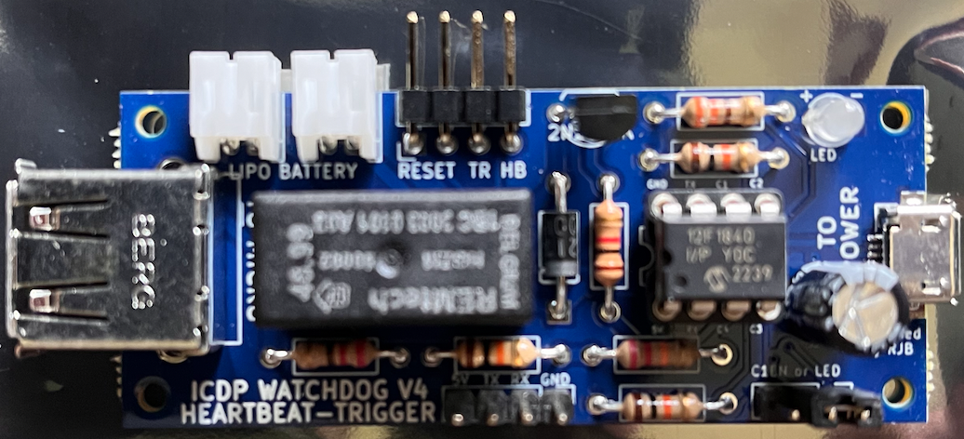
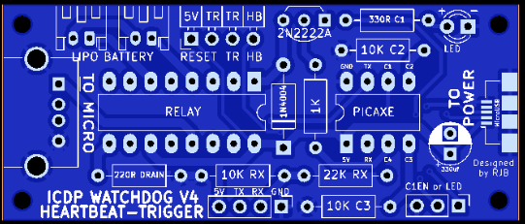

 | https://www.digipart.com/

 | https://www.pcbway.com/assembly-faq.html
 | A small number of excess(1-5 pieces based on the total quantity of assemblies) is requested for expensive parts such as IC, BGA, QFP, Connectors, etc., this will ensure smooth assembling and shipping your assembled boards on time. If you have any question or doubt, please send more extra or contact us for answers.

